Pop Sed use x var
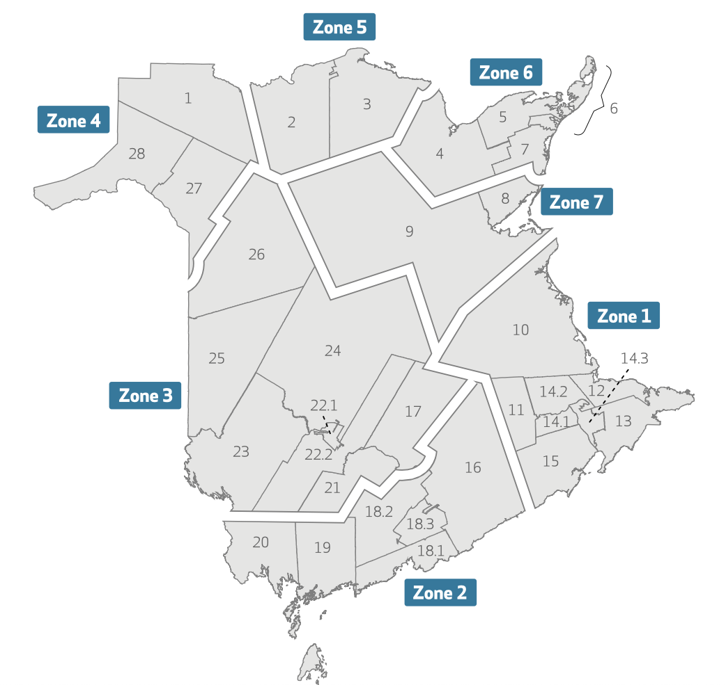
Rates of any use and chronic use of BZRAs, other sedative-hypnotics or both
Apr 1, 2021 to Mar 31, 2022
 |  |  |  |  |  | MALES: use (any and chronic) x health region |  |  |  |  |  |  | FEMALES: use (any and chronic) x health region
 | Question 3 Population: | Number of drugs used/with chronic use: |  |  |  | Health Region | Age | Any use (total) | Any use (%) | Chronic use (total) | Chronic use (%) | Estimated total population | Health Region |  | Any use (total) | Any use (%) | Chronic use (total) | Chronic use (%) | Estimated total population
 | Group | Any use | % | Chronic use | % | 1 | 65+ | 4651 | 20.95 | 3387 | 15.25 | 22205 | 1 | 65+ | 8188 | 32.00 | 6213 | 24.28 | 25586
 | All | 47562 | 27.71% | 36480 | 21.26% | 2 | 65+ | 2804 | 16.63 | 2033 | 12.06 | 16861 | 2 | 65+ | 5086 | 26.40 | 3841 | 19.94 | 19267
 | Female | 29932 | 32.88% | 23180 | 25.47% | 3 | 65+ | 2464 | 14.72 | 1682 | 10.05 | 16734 | 3 | 65+ | 4384 | 22.96 | 3043 | 15.93 | 19097
 | Male | 17630 | 21.88% | 13300 | 16.49% | 4 | 65+ | 2013 | 35.43 | 1646 | 28.97 | 5681 | 4 | 65+ | 3147 | 50.56 | 2678 | 43.03 | 6224
 | 65–69 | 13858 | 24.47% | 10415 | 18.40% | 5 | 65+ | 1188 | 35.05 | 1001 | 29.54 | 3389 | 5 | 65+ | 1809 | 47.33 | 1559 | 40.79 | 3822
 | 70–74 | 12396 | 26.60% | 9444 | 20.27% | 6 | 65+ | 3135 | 30.43 | 2545 | 24.70 | 10303 | 6 | 65+ | 5170 | 46.90 | 4270 | 38.74 | 11023
 | 75–79 | 9350 | 29.19% | 7160 | 22.35% | 7 | 65+ | 1320 | 25.62 | 962 | 18.67 | 5152 | 7 | 65+ | 2065 | 36.08 | 1514 | 26.45 | 5723
 | 80–84 | 6127 | 31.39% | 4818 | 24.69%
 | 85+ | 5831 | 34.58% | 4643 | 27.53%
 |  | 47562 |  | 36480 |  | MALES |  |  |  |  |  |  | FEMALES
 |  |  |  |  |  | HCC | Age | Any use (total) | Any use (%) | Chronic use (total) | Chronic use (%) | Estimated total population | HCC | Age | Any use (total) | Any use (%) | Chronic use (total) | Chronic use (%) | Estimated total population
 | 📊 Health Region Totals |  |  |  |  | 1 | 65+ | 271 | 42.15 | 224 | 34.84 | 643 | 1 | 65+ | 349 | 55.05 | 297 | 46.85 | 634
 |  |  |  |  |  | 2 | 65+ | 635 | 37.64 | 538 | 31.89 | 1687 | 2 | 65+ | 953 | 48.45 | 827 | 42.04 | 1967
 | Group | Any use (total) | % (total) | Chronic use (total) | % (total) | 3 | 65+ | 553 | 32.49 | 463 | 27.2 | 1702 | 3 | 65+ | 856 | 46.15 | 732 | 39.46 | 1855
 | 1 | 12839 | 26.87% | 9600 | 20.09% | 4 | 65+ | 1269 | 29.67 | 1038 | 24.27 | 4277 | 4 | 65+ | 2237 | 47.37 | 1891 | 40.05 | 4722
 | 2 | 7890 | 21.84% | 5874 | 16.26% | 5 | 65+ | 603 | 28.99 | 486 | 23.37 | 2080 | 5 | 65+ | 946 | 43.74 | 760 | 35.14 | 2163
 | 3 | 6848 | 19.11% | 4725 | 13.18% | 6 | 65+ | 591 | 33.37 | 483 | 27.27 | 1771 | 6 | 65+ | 901 | 48.36 | 757 | 40.63 | 1863
 | 4 | 5160 | 43.34% | 4324 | 36.32% | 7 | 65+ | 672 | 30.88 | 538 | 24.72 | 2176 | 7 | 65+ | 1086 | 47.74 | 862 | 37.89 | 2275
 | 5 | 2997 | 41.56% | 2560 | 35.51% | 8 | 65+ | 226 | 26.84 | 159 | 18.88 | 842 | 8 | 65+ | 346 | 37.57 | 255 | 27.69 | 921
 | 6 | 8305 | 38.94% | 6815 | 31.95% | 9 | 65+ | 1094 | 25.38 | 803 | 18.63 | 4310 | 9 | 65+ | 1719 | 35.8 | 1259 | 26.22 | 4802
 | 7 | 3385 | 31.12% | 2476 | 22.77% | 10 | 65+ | 684 | 25.31 | 518 | 19.16 | 2703 | 10 | 65+ | 1126 | 40.1 | 902 | 32.12 | 2808
 |  |  |  |  |  | 11 | 65+ | 136 | 17.06 | 97 | 12.17 | 797 | 11 | 65+ | 224 | 23.91 | 155 | 16.54 | 937
 |  |  |  |  |  | 12 | 65+ | 982 | 22.81 | 730 | 16.96 | 4305 | 12 | 65+ | 1654 | 35.76 | 1276 | 27.59 | 4625
 | 📊 HCC Totals |  |  |  |  | 13 | 65+ | 205 | 15.67 | 137 | 10.47 | 1308 | 13 | 65+ | 318 | 22.98 | 221 | 15.97 | 1384
 |  |  |  |  |  | 14.1 | 65+ | 444 | 18.48 | 296 | 12.32 | 2403 | 14.1 | 65+ | 841 | 27.98 | 612 | 20.36 | 3006
 | Group | Any use (total) | % (total) | Chronic use (total) | % (total) | 14.2 | 65+ | 1504 | 20.13 | 1088 | 14.56 | 7471 | 14.2 | 65+ | 2731 | 30.29 | 2061 | 22.86 | 9015
 | 1 | 620 | 48.55% | 521 | 40.79% | 14.3 | 65+ | 605 | 23.52 | 460 | 17.88 | 2572 | 14.3 | 65+ | 1132 | 35.74 | 874 | 27.6 | 3167
 | 2 | 1588 | 43.46% | 1365 | 37.36% | 15 | 65+ | 91 | 14.11 | 61 | 9.46 | 645 | 15 | 65+ | 162 | 25.12 | 112 | 17.36 | 645
 | 3 | 1409 | 39.61% | 1195 | 33.60% | 16 | 65+ | 369 | 14.05 | 262 | 9.97 | 2627 | 16 | 65+ | 652 | 23.47 | 477 | 17.17 | 2778
 | 4 | 3506 | 38.96% | 2929 | 29.55% | 17 | 65+ | 213 | 16.49 | 152 | 11.76 | 1292 | 17 | 65+ | 318 | 23.56 | 229 | 16.96 | 1350
 | 5 | 1549 | 36.51% | 1246 | 29.37% | 18.1 | 65+ | 1136 | 17.9 | 870 | 13.71 | 6345 | 18.1 | 65+ | 2182 | 27.76 | 1708 | 21.73 | 7860
 | 6 | 1492 | 41.06% | 1240 | 34.13% | 18.2 | 65+ | 159 | 14.11 | 103 | 9.14 | 1127 | 18.2 | 65+ | 256 | 24.36 | 191 | 18.17 | 1051
 | 7 | 1758 | 39.50% | 1400 | 31.45% | 18.3 | 65+ | 586 | 15.2 | 404 | 10.48 | 3856 | 18.3 | 65+ | 1027 | 24.16 | 727 | 17.1 | 4251
 | 8 | 572 | 32.45% | 414 | 23.48% | 19 | 65+ | 245 | 19.58 | 164 | 13.11 | 1251 | 19 | 65+ | 419 | 31.34 | 320 | 23.93 | 1337
 | 9 | 2813 | 30.88% | 2062 | 22.63% | 20 | 65+ | 319 | 18.45 | 236 | 13.65 | 1729 | 20 | 65+ | 550 | 27.64 | 418 | 21.01 | 1990
 | 10 | 1810 | 32.84% | 1420 | 25.77% | 21 | 65+ | 180 | 14.71 | 122 | 9.97 | 1224 | 21 | 65+ | 332 | 23.17 | 224 | 15.63 | 1433
 | 11 | 360 | 20.76% | 252 | 14.53% | 22.1 | 65+ | 724 | 14.25 | 473 | 9.31 | 5082 | 22.1 | 65+ | 1484 | 22.28 | 989 | 14.85 | 6660
 | 12 | 2636 | 29.52% | 2006 | 22.47% | 22.2 | 65+ | 328 | 14.24 | 215 | 9.34 | 2303 | 22.2 | 65+ | 517 | 21.93 | 334 | 14.16 | 2358
 | 13 | 523 | 19.43% | 358 | 13.30% | 23 | 65+ | 161 | 12.26 | 105 | 8 | 1313 | 23 | 65+ | 280 | 20.77 | 197 | 14.61 | 1348
 | 14.1 | 1285 | 23.76% | 908 | 16.78% | 24 | 65+ | 187 | 11.05 | 123 | 7.27 | 1692 | 24 | 65+ | 312 | 18.05 | 206 | 11.91 | 1729
 | 14.2 | 4235 | 25.69% | 3149 | 19.10% | 25 | 65+ | 472 | 17.43 | 336 | 12.41 | 2708 | 25 | 65+ | 744 | 24.86 | 557 | 18.61 | 2993
 | 14.3 | 1737 | 30.26% | 1334 | 23.25% | 26 | 65+ | 199 | 17.77 | 156 | 13.93 | 1120 | 26 | 65+ | 397 | 31.43 | 307 | 24.31 | 1263
 | 15 | 253 | 19.61% | 173 | 13.41% | 27 | 65+ | 548 | 30.73 | 438 | 24.57 | 1783 | 27 | 65+ | 847 | 43.8 | 712 | 36.81 | 1934
 | 16 | 1021 | 18.89% | 739 | 13.68% | 28 | 65+ | 1194 | 36.68 | 984 | 30.23 | 3255 | 28 | 65+ | 1951 | 53.36 | 1669 | 45.65 | 3656
 | 17 | 531 | 20.10% | 381 | 14.43%
 | 18.1 | 3318 | 23.36% | 2572 | 18.10%
 | 18.2 | 405 | 19.24% | 294 | 13.97%
 | 18.3 | 1613 | 19.90% | 1131 | 13.95%
 | 19 | 664 | 25.66% | 484 | 18.71%
 | 20 | 869 | 23.36% | 654 | 17.59%
 | 21 | 512 | 19.27% | 346 | 13.02% | MALES: use (any and chronic) x health region x age |  |  |  |  |  |  | FEMALES: use (any and chronic) x health region x age
 | 22.1 | 2208 | 18.81% | 1462 | 12.45% | Health Region | Age group | Any use (total) | % (total) | Chronic use (total) | % (total) | Estimated population | Health Region | Age group | Any use (total) | % (total) | Chronic use (total) | % (total) | Estimated population
 | 22.2 | 845 | 18.13% | 549 | 11.78% | 1 | 65-69 | 1379 | 18.76 | 972 | 13.22 | 7351 | 1 | 65-69 | 2295 | 28.76 | 1717 | 21.52 | 7980
 | 23 | 441 | 16.57% | 302 | 11.35% | 1 | 70-74 | 1249 | 19.94 | 918 | 14.65 | 6264 | 1 | 70-74 | 2061 | 31.18 | 1501 | 22.71 | 6610
 | 24 | 499 | 14.73% | 329 | 9.72% | 1 | 75-79 | 976 | 22.72 | 708 | 16.49 | 4296 | 1 | 75-79 | 1602 | 33.14 | 1212 | 25.07 | 4834
 | 25 | 1216 | 21.33% | 893 | 15.66% | 1 | 80-84 | 574 | 23.3 | 427 | 17.33 | 2464 | 1 | 80-84 | 1065 | 35.45 | 843 | 28.06 | 3004
 | 26 | 596 | 25.01% | 463 | 19.43% | 1 | 85+ | 473 | 25.85 | 362 | 19.78 | 1830 | 1 | 85+ | 1165 | 36.89 | 940 | 29.77 | 3158
 | 27 | 1395 | 37.53% | 1150 | 30.94% | 2 | 65-69 | 888 | 14.59 | 639 | 10.49 | 6086 | 2 | 65-69 | 1514 | 24.04 | 1131 | 17.96 | 6298
 | 28 | 3145 | 45.51% | 2653 | 38.39% | 2 | 70-74 | 768 | 16.31 | 566 | 12.02 | 4709 | 2 | 70-74 | 1354 | 26.37 | 1015 | 19.77 | 5135
 |  |  |  |  |  | 2 | 75-79 | 547 | 17.45 | 408 | 13.02 | 3135 | 2 | 75-79 | 992 | 27.99 | 759 | 21.41 | 3544
 |  |  |  |  |  | 2 | 80-84 | 356 | 19.66 | 246 | 13.59 | 1811 | 2 | 80-84 | 637 | 29.14 | 484 | 22.14 | 2186
 | 📊 Table 1 – Charlson Index Totals & Charlson × Age/Sex Breakdown |  |  |  |  | 2 | 85+ | 245 | 21.87 | 174 | 15.53 | 1120 | 2 | 85+ | 589 | 27.99 | 452 | 21.48 | 2104
 |  |  |  |  |  | 3 | 65-69 | 708 | 12.49 | 503 | 8.87 | 5669 | 3 | 65-69 | 1246 | 20.53 | 833 | 13.73 | 6069
 | Group | Any use (total) | % (total) | Chronic use (total) | % (total) | 3 | 70-74 | 676 | 14.32 | 476 | 10.09 | 4721 | 3 | 70-74 | 1109 | 22 | 772 | 15.31 | 5041
 | Charlson Index 0 | 14435 | 29.96% | 11145 | 23.14% | 3 | 75-79 | 527 | 16.63 | 333 | 10.5 | 3169 | 3 | 75-79 | 850 | 23.74 | 586 | 16.37 | 3580
 | Charlson Index 0, 65–69 Female | 2584 | 33.81% | 1995 | 26.11% | 3 | 80-84 | 320 | 17.04 | 222 | 11.82 | 1878 | 3 | 80-84 | 587 | 26.05 | 425 | 18.85 | 2253
 | Charlson Index 0, 65–69 Male | 1411 | 21.92% | 1072 | 16.66% | 3 | 85+ | 233 | 17.97 | 148 | 11.42 | 1297 | 3 | 85+ | 592 | 27.48 | 427 | 19.82 | 2154
 | Charlson Index 0, 70–74 Female | 2413 | 34.26% | 1851 | 26.29% | 4 | 65-69 | 671 | 32.29 | 516 | 24.84 | 2078 | 4 | 65-69 | 931 | 44.13 | 760 | 36.02 | 2110
 | Charlson Index 0, 70–74 Male | 1349 | 22.79% | 1028 | 17.37% | 4 | 70-74 | 534 | 33.12 | 455 | 28.23 | 1612 | 4 | 70-74 | 790 | 48.29 | 658 | 40.22 | 1636
 | Charlson Index 0, 75–79 Female | 1937 | 34.49% | 1502 | 26.75% | 4 | 75-79 | 417 | 39.87 | 345 | 32.98 | 1046 | 4 | 75-79 | 594 | 53.76 | 513 | 46.43 | 1105
 | Charlson Index 0, 75–79 Male | 1081 | 24.28% | 806 | 18.10% | 4 | 80-84 | 204 | 36.76 | 168 | 30.27 | 555 | 4 | 80-84 | 402 | 58.01 | 363 | 52.38 | 693
 | Charlson Index 0, 80–84 Female | 1307 | 37.34% | 1051 | 30.03% | 4 | 85+ | 187 | 47.95 | 162 | 41.53 | 390 | 4 | 85+ | 430 | 63.24 | 384 | 56.47 | 680
 | Charlson Index 0, 80–84 Male | 686 | 25.41% | 516 | 19.11% | 5 | 65-69 | 382 | 32.21 | 317 | 26.73 | 1186 | 5 | 65-69 | 482 | 42.43 | 412 | 36.27 | 1136
 | Charlson Index 0, 85+ Female | 1206 | 38.68% | 981 | 31.46% | 5 | 70-74 | 299 | 33.56 | 249 | 27.94 | 891 | 5 | 70-74 | 481 | 48.39 | 400 | 40.24 | 994
 | Charlson Index 0, 85+ Male | 461 | 26.31% | 343 | 19.58% | 5 | 75-79 | 250 | 37.99 | 216 | 32.82 | 658 | 5 | 75-79 | 318 | 47.12 | 274 | 40.59 | 675
 | Charlson Index 1–2 | 8775 | 34.14% | 6956 | 27.07% | 5 | 80-84 | 135 | 36.69 | 117 | 31.8 | 368 | 5 | 80-84 | 246 | 50.73 | 223 | 45.98 | 485
 | Charlson Index 1–2, 65–69 Female | 1118 | 39.12% | 899 | 31.46% | 5 | 85+ | 122 | 42.65 | 102 | 35.66 | 286 | 5 | 85+ | 282 | 53 | 250 | 46.99 | 532
 | Charlson Index 1–2, 65–69 Male | 937 | 26.77% | 724 | 20.69% | 6 | 65-69 | 907 | 25.98 | 727 | 20.82 | 3491 | 6 | 65-69 | 1429 | 41.34 | 1130 | 32.69 | 3457
 | Charlson Index 1–2, 70–74 Female | 1259 | 40.34% | 997 | 31.94% | 6 | 70-74 | 812 | 28.51 | 657 | 23.07 | 2848 | 6 | 70-74 | 1308 | 44.92 | 1082 | 37.16 | 2912
 | Charlson Index 1–2, 70–74 Male | 947 | 26.41% | 736 | 20.53% | 6 | 75-79 | 639 | 33.23 | 524 | 27.25 | 1923 | 6 | 75-79 | 996 | 49.19 | 815 | 40.25 | 2025
 | Charlson Index 1–2, 75–79 Female | 1016 | 39.48% | 823 | 32.00% | 6 | 80-84 | 413 | 35.33 | 350 | 29.94 | 1169 | 6 | 80-84 | 709 | 54.25 | 601 | 45.98 | 1307
 | Charlson Index 1–2, 75–79 Male | 779 | 29.12% | 595 | 22.24% | 6 | 85+ | 364 | 41.74 | 287 | 32.92 | 872 | 6 | 85+ | 728 | 55.07 | 642 | 48.56 | 1322
 | Charlson Index 1–2, 80–84 Female | 794 | 41.64% | 646 | 33.88% | 7 | 65-69 | 387 | 22.74 | 283 | 16.63 | 1702 | 7 | 65-69 | 618 | 33.24 | 461 | 24.79 | 1859
 | Charlson Index 1–2, 80–84 Male | 486 | 27.17% | 380 | 21.24% | 7 | 70-74 | 351 | 23.54 | 269 | 18.05 | 1491 | 7 | 70-74 | 557 | 35.92 | 391 | 25.21 | 1551
 | Charlson Index 1–2, 85+ Female | 964 | 42.10% | 783 | 34.19% | 7 | 75-79 | 270 | 28.33 | 182 | 19.1 | 953 | 7 | 75-79 | 340 | 34.45 | 260 | 26.34 | 987
 | Charlson Index 1–2, 85+ Male | 475 | 33.78% | 373 | 26.53% | 7 | 80-84 | 179 | 30.5 | 130 | 22.15 | 587 | 7 | 80-84 | 288 | 41.32 | 209 | 29.98 | 697
 | Charlson Index 3–4 | 3198 | 35.97% | 2517 | 28.31% | 7 | 85+ | 133 | 31.74 | 98 | 23.39 | 419 | 7 | 85+ | 262 | 41.65 | 193 | 30.68 | 629
 | Charlson Index 3–4, 65–69 Female | 297 | 41.72% | 244 | 34.27%
 | Charlson Index 3–4, 65–69 Male | 361 | 30.75% | 272 | 23.17% | SEE SHEET 2 |  |  |  |  |  |  | SEE SHEET 2
 | Charlson Index 3–4, 70–74 Female | 363 | 41.25% | 289 | 32.84% | HCC | Age group | Any use (total) | % (total) | Chronic use (total) | % Chronic (total) | Estimated total population | HCC | Age group | Any use (total) | % (total) | Chronic use (total) | % Chronic (total) | Estimated total population
...

